Sheet1
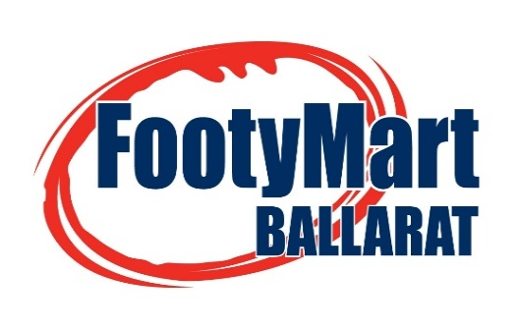
The official Central Ordering System for the Ballarat FNL, Riddell Distrcit FNL, Central Highlands FL & Maryborough Castlemaine District FNL

DATE OF ORDER: |  |  |  |  |  | ORDER NO.
NAME OF CLUB/LEAGUE:
CONTACT PERSON:
ROLE AT CLUB/LEAGUE:
PHONE:0400188675 |  | (B) |  |  | (M)
EMAIL:
DELIVERY POINT:
BILLING ADDRESS:
TOWN: |  |  |  |  |  | POSTCODE:

 | PRODUCT |  | SIZE | UNITS |  | PRICE (EX GST) | UNIT PRICE (EX GST) | CASES ORDERED | TOTAL PRICE
JUICE | SPRING VALLEY RANGE (excl Mango/Banana) |  | 375ml GLASS | 24 |  | $42.41 | $1.77 |  | $0.00
 | SPRING VALLEY Mango/Banana |  | 375ml GLASS | 24 |  | $42.41 | $1.77 |  | $0.00
WATER | COOL RIDGE |  | 600ml PET | 24 |  | $17.24 | $0.72 |  | $0.00
SOFT DRINK 375ml CANS | Pepsi |  | 375ml CAN | 24 |  | $16.78 | $0.80 |  | $0.00
 | Pepsi Max |  | 375ml CAN | 24 |  | $16.78 | $0.80 |  | $0.00
 | Solo |  | 375ml CAN | 24 |  | $16.78 | $0.80 |  | $0.00
 | Lemonade |  | 375ml CAN | 24 |  | $16.78 | $0.80 |  | $0.00
 | Sunkist |  | 375ml CAN | 24 |  | $16.78 | $0.80 |  | $0.00
SPORTS DRINK 600ml BOTTLES | GATORADE - Blue Bolt |  | 600ml PET | 12 |  | $22.78 | $1.90 |  | $0.00
 | GATORADE - Fierce Berry |  | 600ml PET | 12 |  | $22.78 | $1.90 |  | $0.00
 | GATORADE - Fierce Grape |  | 600ml PET | 12 |  | $22.78 | $1.90 |  | $0.00
 | GATORADE - Lemon Lime |  | 600ml PET | 12 |  | $22.78 | $1.90 |  | $0.00
 | GATORADE - Orange Ice |  | 600ml PET | 12 |  | $22.78 | $1.90 |  | $0.00
 | GATORADE - Tropical |  | 600ml PET | 12 |  | $22.78 | $1.90 |  | $0.00

Freight: |  |  |  |  |  |  |  | $20.00
GST: |  |  |  |  |  |  |  | $2.00
Total: |  |  |  |  |  |  |  | $22.00

